Cover Page


Process Design Document

Client: | BLT

Reference No:

Process Name: | GP Calculation - Commissions

Document Issue No: | 1

Release Date:

Contract Manager: | Grant Hesse

 | Name | Organization
Issued To: |  | BLT

© North Wind Digital Information contained herein is the property of North Wind Digital, and may not be copied, used or disclosed in whole or in part except with the prior written permission of North Wind Digital or, if it has been furnished under a contract with another party as expressly authorized under that contract.

Process Map
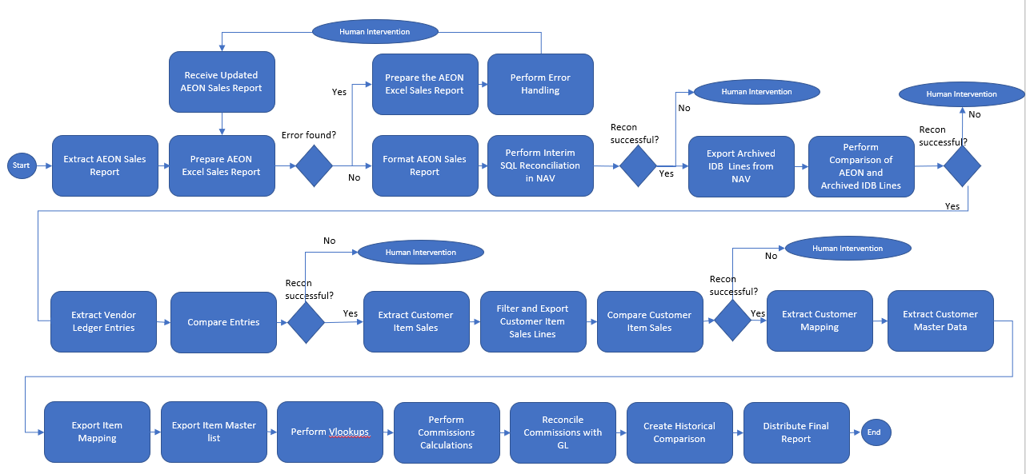

Information Flow
